chicago-bulls
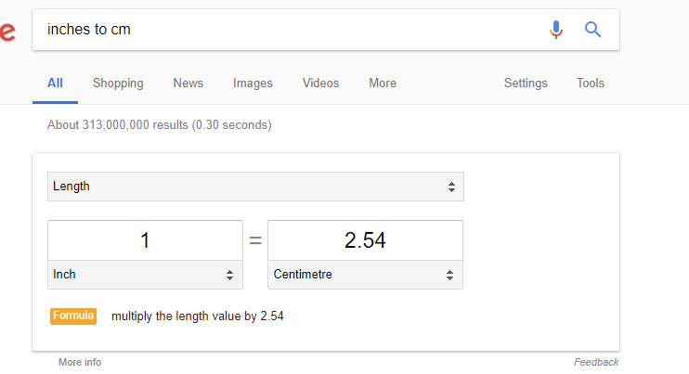
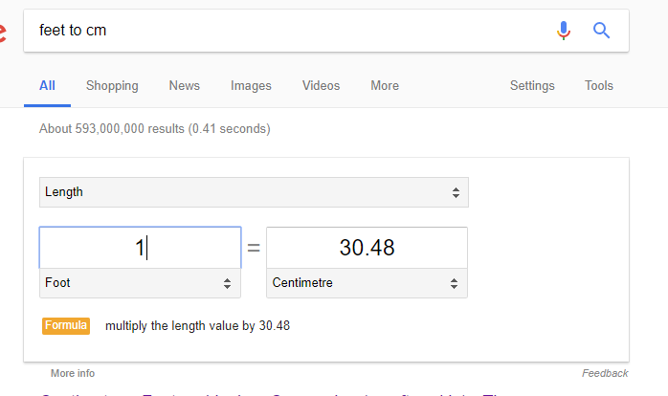
Id | Position | Number | Country | Name | Height | Weight | University | PPG | Inches to CM | Feet to Cm | Total
4 | SG | 23 | United States | Jordan, Michael | 6 ft 6 in | 215 lb | North Carolina | 32.6 | 182.88 | 15.24 | 198.12
10 | SF | 33 | United States | Pippen, Scottie | 6 ft 7 in | 220 lb | Central Arkansas | 18.6 | 182.88 | 17.78 | 200.66
3 | PF | 54 | United States | Grant, Horace | 6 ft 10 in | 245 lb | Clemson | 13.2 | 182.88 | 25.4 | 208.28
1 | PG | 10 | United States | Armstrong, B.J. | 6 ft 2 in | 175 lb | Iowa | 12.3 | 182.88 | 5.08 | 187.96
14 | PF | 42 | United States | Williams, Scott | 6 ft 10 in | 230 lb | North Carolina | 5.9 | 182.88 | 25.4 | 208.28
2 | C | 24 | United States | Cartwright, Bill | 7 ft 1 in | 246 lb | San Francisco | 5.6 | 213.36 | 2.54 | 215.9
5 | PF | 21 | United States | King, Stacey | 6 ft 11 in | 230 lb | Oklahoma | 5.4 | 182.88 | 27.94 | 210.82
11 | SG | 6 | United States | Tucker, Trent | 6 ft 5 in | 193 lb | Minnesota | 5.2 | 182.88 | 12.7 | 195.58
9 | C | 32 | United States | Perdue, Will | 7 ft 0 in | 240 lb | Vanderbilt | 4.7 | 213.36 | 0 | 213.36
8 | PG | 5 | United States | Paxson, John | 6 ft 2 in | 185 lb | Notre Dame | 4.2 | 182.88 | 5.08 | 187.96
6 | SF | 22 | United States | McCray, Rodney | 6 ft 7 in | 220 lb | Louisville | 3.5 | 182.88 | 17.78 | 200.66
12 | SG | 20 | United States | Walker, Darrell | 6 ft 4 in | 180 lb | Arkansas | 2.6 | 182.88 | 10.16 | 193.04
13 | PG | 12 | United States | Williams, Corey | 6 ft 2 in | 190 lb | Oklahoma State | 2.3 | 182.88 | 5.08 | 187.96
7 | PF | 45 | United States | Nealy, Ed | 6 ft 7 in | 238 lb | Kansas State | 2.1 | 182.88 | 17.78 | 200.66
 |  |  |  |  |  |  |  |  |  |  | 2809.24
 |  |  |  |  |  |  |  |  |  |  | 200.66 | Average team height

